Visuals
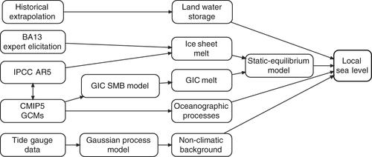
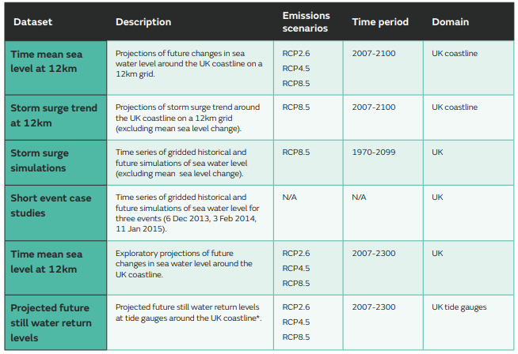
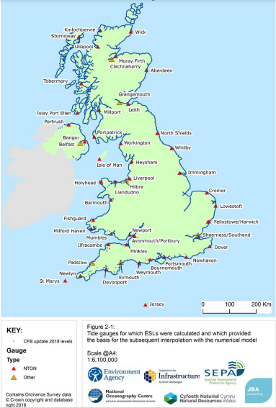
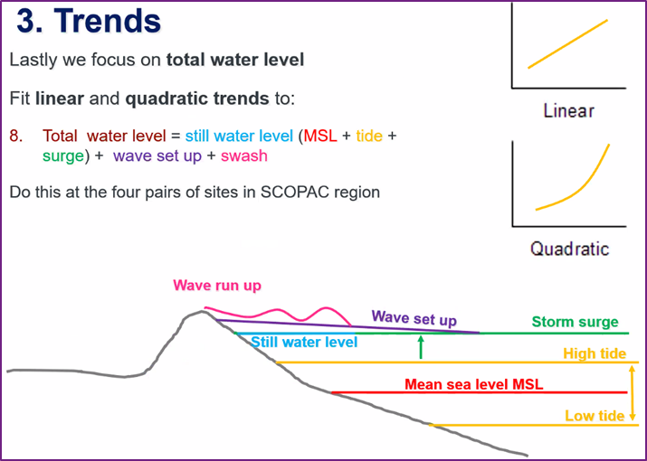
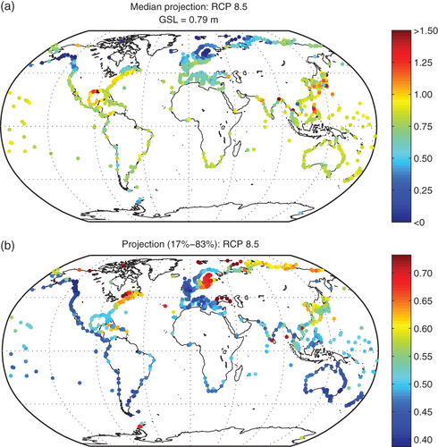
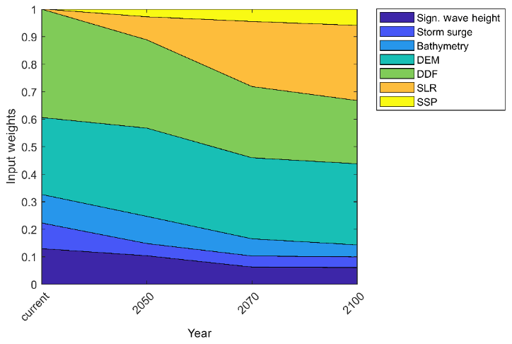
Source | UKCP18 | Environment Agency | SCOPAC presentation | Kopp et al (2014) | Parodi et al (2020) |  | Lowe & Gregory (2005)
Description | Overview of marine projections | Extreme event tidal gauge return periods based on historical data | Summary of total coastal water level components | Median projection (a) and width of 17-83% uncertainty of likely range of local sea level risk in metre (b) in 2100 under RCP 8.5 | Uncertainties in coastal flood risk assessments in small island developing states |  | The effects of climate change on storm surges around the United Kingdom
 |  |  |  |  | https://nhess.copernicus.org/articles/20/2397/2020/#&gid=1&pid=1 |  | https://www.researchgate.net/publication/7572436_The_effects_of_climate_change_on_storm_surges_around_the_United_Kingdom
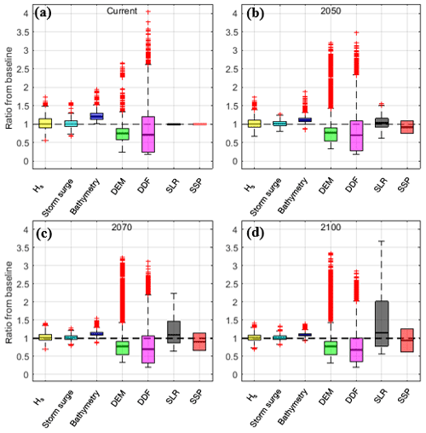
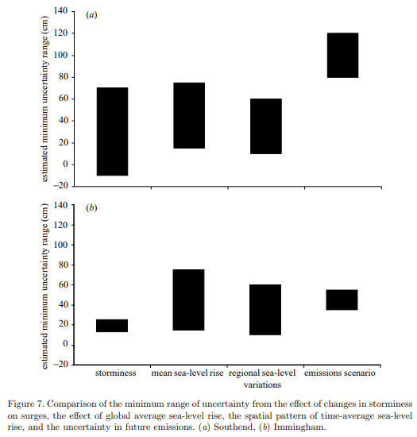

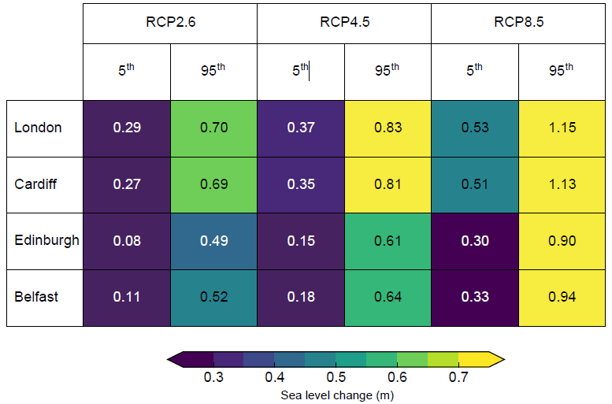

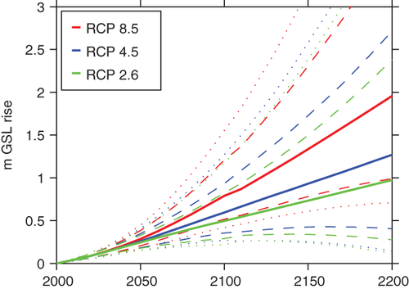
 |  |  |  |  |  | Figure 11Inputs' relative contribution to damage estimate uncertainty. Relative importance of the investigated inputs' (Hs, storm surge, bathymetry, DEMs, DDFs, SLR and SSP) effect on the damage estimate uncertainty over the four time horizons considered.

 |  |  |  |  | Figure 7Absolute impacts on damage estimate uncertainty. Box plots of the ratio of damages from the baseline scenario for Hs, storm surge, bathymetry, DEM, DDFs, SLR and SSP (a–d), for the four time horizons (present day, 2050, 2070 and 2100). Mean values are represented by the black lines inside the boxes. The 25th and 75th percentiles are indicated by the edges of the boxes. The black thin whiskers extend to 1.5 times the interquartile distance, outside of which are outliers, shown with red crosses. The black dashed line shows the reference of the baseline scenario.

Range of sea level change (m) at UK capital cities in 2100 relative to 1981-2000 average for a low (RCP2.6), medium (RCP4.5) and high (RCP8.5) emissions scenario from table in Section 1.2 in Palmer et al (2018).

